DEA Model
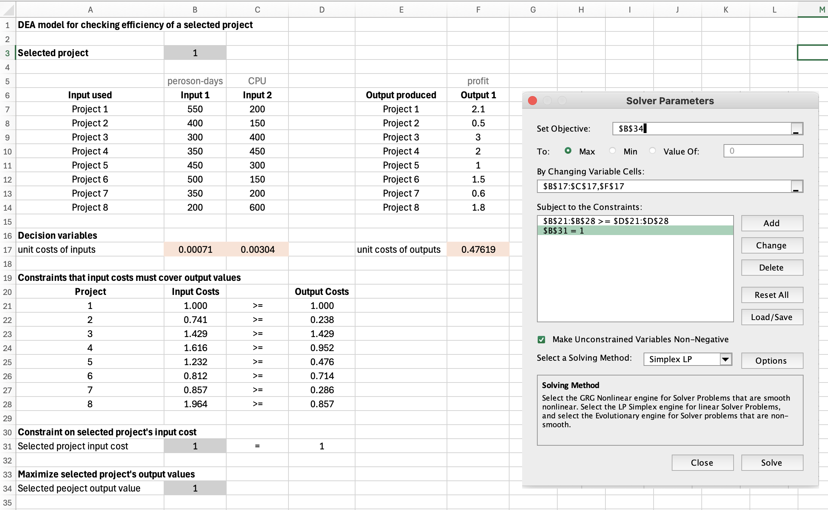
DEA model for checking efficiency

Selected project | 1

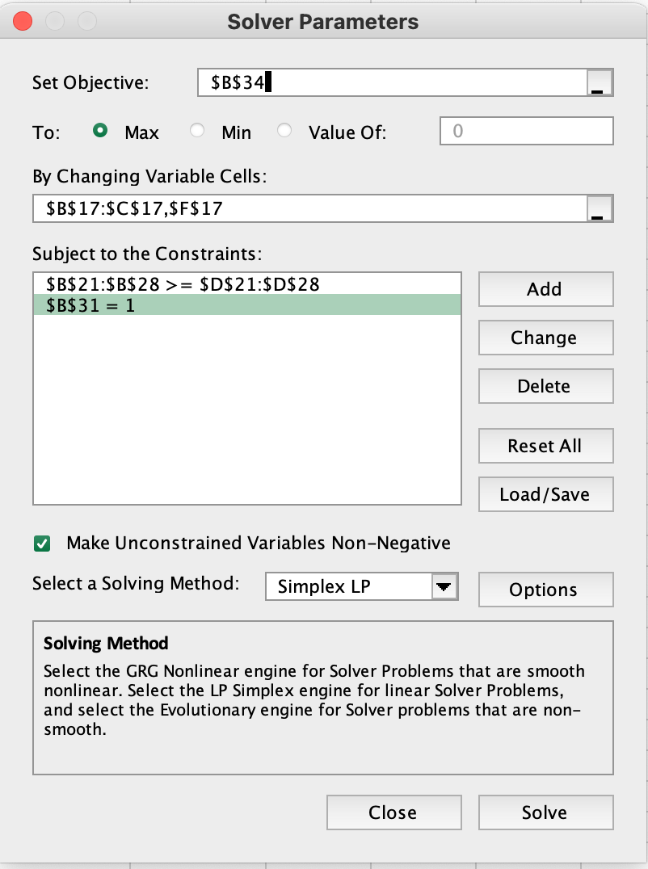
 | peroson-days | CPU |  |  | profit
Input used | Input 1 | Input 2 |  | Output produced | Output 1
Project 1 | 550 | 200 |  | Project 1 | 2.1
Project 2 | 400 | 150 |  | Project 2 | 0.5
Project 3 | 300 | 400 |  | Project 3 | 3
Project 4 | 350 | 450 |  | Project 4 | 2
Project 5 | 450 | 300 |  | Project 5 | 1
Project 6 | 500 | 150 |  | Project 6 | 1.5
Project 7 | 350 | 200 |  | Project 7 | 0.6
Project 8 | 200 | 600 |  | Project 8 | 1.8

Decision variables
unit costs of inputs | 0.00071 | 0.00304 |  | unit costs of outputs | 0.47619

Constraints that input costs must cover output values
Project | Input Costs |  | Output Costs
1 | 1.000 | >= | 1.000
2 | 0.741 | >= | 0.238
3 | 1.429 | >= | 1.429
4 | 1.616 | >= | 0.952
5 | 1.232 | >= | 0.476
6 | 0.812 | >= | 0.714
7 | 0.857 | >= | 0.286
8 | 1.964 | >= | 0.857

Constraint on selected project's input cost
Selected project input cost | 1 | = | 1

Maximize selected project's output values
Selected peoject output value | 1

STS_1
Oneway analysis for Solver model in 1.3 worksheet |  |  | Sensitivity of $B$34 to Selected project

When you select an output from the dropdown list in cell $K$4, the chart will adapt to that output.
Sensitivity of Selected project
Selected project (cell $B$3) values along side, output cell(s) along top |  |  | Data for chart
 | $B$34 | 1 | $B$34
1 | 1 |  | 1
2 | 0.32128514056 |  | 0.32128514056
3 | 1 |  | 1
4 | 0.58931860037 |  | 0.58931860037
5 | 0.38647342995 |  | 0.38647342995
6 | 0.95238095238 |  | 0.95238095238
7 | 0.33333333333 |  | 0.33333333333
8 | 0.9 |  | 0.9

